HOW TO USE THIS DOCUMENT
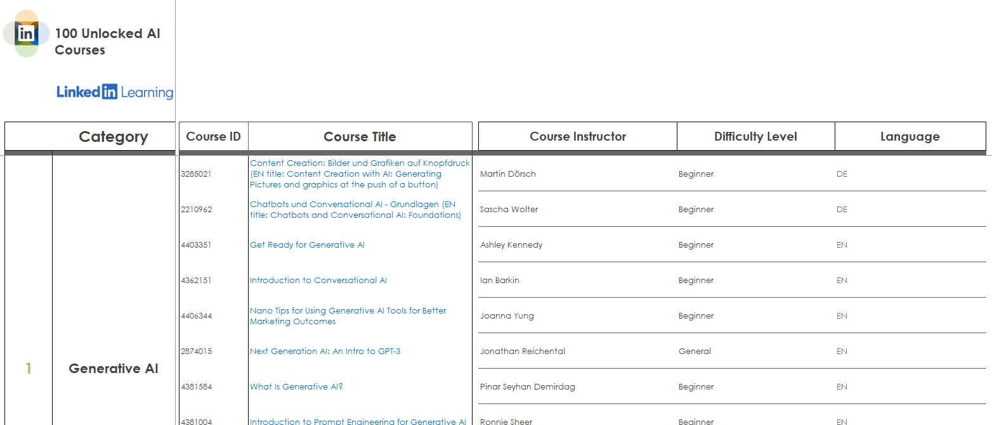
How to use this content mapping document These courses are unlocked for free from March 15 - June 15, 2023.

 | 100 free AI courses to help your organization navigate the future of work
 | Some of the biggest changes - and opportunities - today are being driven by artificial intelligence (AI). We know how important building AI-related skills will be to navigating virtually every role and industry, whether you're an everyday professional in fields like marketing or sales or a seasoned developer.

 | That’s why we’re making over one hundred AI courses free through June 15, 2023 to help your employees succeed in their job and career.

 | Go to the Table of Contents tab for a list of different AI categories. In this tab you'll find a full list of clickable competency titles. Click on a title to go directly to the section for a full list of courses mapped to that competency.

Table of Contents


100 Unlocked AI Courses Mapping

100 free AI courses to help your organization navigate the future of work

Table of Contents, per category:
Click on a title below to go directly to the section for full list of courses mapped to that category.

Generative AI | AI and Machine Learning (ML) Foundations

Responsible AI | Advanced AI

Applied AI/ML | Neural Networks & Deep Learning

MLOps | Cert Prep

